Packages
PACKAGES PRICES ON NOV 2022
S.N | Basket Name | Picture | Cost For Indiviual items | Sale Price
1 | GRADUATION GIFT |  | Robe And Trouser For Voucher - 3.010 KD Kimono Blue For Voucher - 2.710 KD Transparent Bag - 0.467 KD WRAPPING PAPER - 0.024 KD * 3 pcs Graduation Logo - 0.500 KD Honey & milk nails treatment | 35 KD
2 | Pajama Voucher Honey & milk nails treatment | 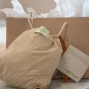 | Pajama Large For Package = 2.150 or medium or small Honey & milk nails treatment | 22 K.D
3 | Pajama Voucher Hair & Nail Treatment |  | Pajama Large For Package = 2.150 or medium or small Basic Nail Treatment & Natural Hair treatment | 32 K.D
4 | Pajama Voucher Relaxing massage 1 hour |  | Pajama Large For Package = 2.150 or medium or small Relaxing massage 1 hour | 30 K.D
5 | COTTON BASKET |  | Casa Spa Big Kamada for Voucher (create it) = 2.190 Stripe Robe For Voucher = 3.829 KD - RETAIL 14 K.D Robe And Trouser For Voucher - 3.010 KD GIFT BASKET - 1.534 KD DRY FLOWERS - 0.133 KD | 35 K.D
6 | Silicon Body Scrubber (Buy 1 +Get 1 Free) | in dashboard | Silicon Body Scrubber COST=0.480 * 2 PCS | 10 K.D
7 | Ice Mask (Buy 1 +Get 1 Free) | in dashboard | ICE MASK COST = 0.440 K.D * 2 PCS | 4 K.D
8 | Water Bottle Basket (Buy 1 +Get 1 Free) | in dashboard | Water Bottle Basket COST= 1.454 * 2 PCS | 6 K.D
9 | PAMPER ME BASKET |  | Stripe Robe For Voucher = 3.829 KD - RETAIL 14 K.D Robe And Trouser For Voucher - 3.010 KD Kamada for Package - 1.592 KD - RETAIL 15 K.D GIFT BASKET - 1.534 KD | 40 K.D
10 | BODY DRY BRUSH (Buy 1+ Get 1 Free) | in dashboard | BODY DRY BRUSH COST= 0.424 * 2 PCS | 4 K.D
11 | Yoga mat + Bag (Buy 1 +Get 1 Free) | in dashboard | YOGA MAT COST= 1.750 * 2 PCS YOGA MAT BAG COST= 2.440 * 2 PCS | 12 K.D
12 | Beauty box | 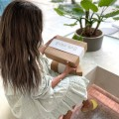 | Green Robe Extra Large - 2.560 COLORS (Navy Blue Robe Extra Large Navy Blue Robe Large Navy Blue Robe Medium Pink Robe Extra Large Pink Robe Large Pink Robe Medium) ICE MASK - .440 Drama Queen Eye lash - 2 k.d Cosmetic Bag - .940 k.d Makeup Brush Bag - .690 k.d Basic nails & blowdry Treatment | 28 K.D
13 | Tip & Toes Box | 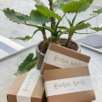 | Manicure And Pedicure Kit no.26 Parrafin Gloves 1 pair - 0.450 Paraffin Boots 1 pair - 0.450 Kiss Acrylic Nude Almond Shape - 0.042 Portable Shoes Black Extra Large colors (metallic bronze Medium - large - xlarge - black medium- black large - beige small - beige medium - beige large) Nails W/ Honey & milk nails treatment | 22 K.D
14 | Hair Care Box | 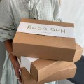 | Clipper Bag - 0.560 Hair Dryer Bag - 0.570 Organic Hair Oil for Package - 1.5 Types(Casa Spa Organic Hair Strengthening Oil 200ML Casa Spa Organic Hair Loss Oil 200ML Casa Spa Organic Growth Oil 200ML Casa Spa Organic Ice Brew Tan 200ML Casa Spa Organic Sun Kissed Tan 200ML Silk Pillow Case for Package - 0.760 colors (Casa Spa Silk Pillow Case Beige - Casa Spa Silk Pillow Case Silver - Casa Spa Silk Pillow Case White - Casa Spa Silk Pillow Case Bronze) Hair Kit Package no.29 | 30 K.D
15 | PAMPER YOURSELF BASKET | 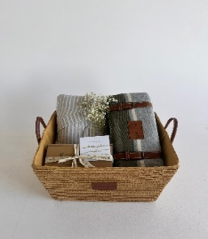 | Stripe Robe For Voucher = 3.829 KD - RETAIL 14 K.D Kamada for Package - 1.592 KD - RETAIL 15 K.D Blanket for Voucher - 4.320 KD - RETAIL 18K.D Dusty Green or Blanket Grey GIFT BASKET -1.534 KD Hair and nail treatments | 48 KD
16 | LOVING BASKET | in dashboard | Robe and Trouser for Package - 3.01 KD COLORS (Robe And Trouser Pink Extra Large Robe And Trouser Pink Medium Robe And Trouser Pink Large Robe And Trouser Green Large Robe And Trouser Green Medium Velvet Pajama (ALL COLORS AND SIZES) - 2.760 Kamada for Package - 1.592 KD - RETAIL 15 K.D | 35 K.D
17 | Free Size Stripe Robe + 1h Relaxing massage Free size Stripe Robe + Honeymilk Nail Treatment |  | Stripe Robe For Voucher = 3.829 KD - RETAIL 14 K.D RELAXING MASSAGE Stripe Robe For Voucher = 3.829 KD - RETAIL 14 K.D Honeymilk Nail Treatment | 37 K.D 28 K.D
18 | THINGS I LOVE BASKET |  | LUNCH BAG- 1.440 KD - LUNCH BOX-0.955 KD RETAIL (BOTH ITEMS SOLD IN PACKAGES FOR 10 K.D) Blanket for Voucher - 4.320 KD - RETAIL 18 K.D Dusty Green or Blanket Grey Kamada for Package - 1.592 KD - RETAIL 15 K.D GIFT BASKET -1.534 KD | 35 K.D
19 | KASHTA BASKET | 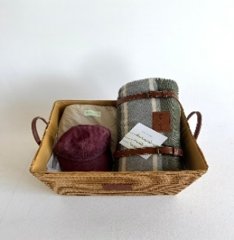 | Pajama Large For Package = 2.150 or medium or small Blanket for Voucher - 4.320 KD - RETAIL 18K.D Dusty Green or Blanket Grey WHOLE CAP - 0.800 KD - RETAIL 6 K.D COLORS (Whole Cap Faded Black Whole Cap Faded Blue Whole Cap Faded Brown Whole Cap Faded Red) GIFT BASKET - 1.534 KD HAIR & NAILS VOUCHER | 40 K.D
20 | Candle Voucher Honey & Milk Nail Treatment Candle Voucher Relaxing Massage + Hair Treatment Candle Voucher with honey & milk nails treatment & relaxing massage | 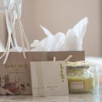 | Candle For Voucher - COST 1.022 Casa Spa Candle Voucher Bag H&M TREATMENT Candle For Voucher - COST 1.022 Casa Spa Candle Voucher Bag RELAXING MASSAGE Hair Treatment Candle For Voucher - COST 1.022 Casa Spa Candle Voucher Bag Honey & Milk Nail Treatment 1h RELAXING MASSAGE | 20 K.D 35 K.D 38 K.D
21 | Lunch Bag | in dashboard | Lunch Box with Bag for Package - COST 2.395 - RETAIL 10 K.D | 10 K.D
22 | Body scrub Package | 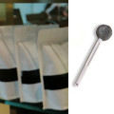 | Silicon Body Scrubber COST=0.480 - RETAIL 10 K.D COFFEE SCRUB - COST=1.25 - RETAIL 6 K.D | 15 K.D
23 | Scalp Brush & Scrub + Shampoo | 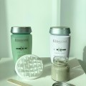 | Casa Spa Scalp Brush - COST .420 - RETAIL 5 K.D Artisan Beauty Care Scalp Scrub (100ML) - COST 10 K.D (THIS IS USE ITEM) THEN CUSTOMER CHOOSE ONE OF TWO SHAMPOO (Kerastase Specifique Bain Anti Pelliculaire Shampoo 250ML - COST 6.780 K.D - RETAIL 11 K.D OR Kerastase Specifique Bain Divalent Balancing Shampoo 250ML COST 6.540 K.D - RETAIL 11 K.D ) | 25 K.D
24 | TRAVEL KIT FULL SET | in dashboard | Charger Bag COST - 0.42 RETAIL - 2.5 | 30 KD
 |  |  | Cosmetic Bag COST - 0.940 RETAIL - 3.75
 |  |  | First Aid Bag COST 0.940 RETAIL -3.75
 |  |  | Hair Dryer Bag COST 0.570 RETAIL - 3
 |  |  | Clipper Bag COST 0.560 RETAIL - 3.5
 |  |  | Makeup Bag COST 0.830 RETAIL - 4.5
 |  |  | Makeup Brush Bag COST 0.69 RETAIL - 3.5
 |  |  | Dental Kit Bag COST 0.580 RETAIL - 3
 |  |  | Travel Bag Large COST 0.800 RETAIL - 4
 |  |  | Travel Bag Medium COST 0.750 RETAIL - 4
 |  |  | Travel Bag Small COST 0.690 RETAIL - 4
 |  |  | Wash Me Bag COST 0.720 RETAIL - 3.5 Casa Spa Box With Banner 0.100
25 | Yoga & exercise matt with Bag | in dashboard | YOGA MAT COST= 1.750 YOGA MAT BAG COST= 2.440 | 10 K.D
26 | Manicure And Pedicure Kit | in dashboard | Casa Spa Bag With Zips Small COST 0.150 Nail Files Milano COST 0.208 Metal Pusher COST 0.06 Nail Cutters With Logo COST 0.490 Nippers With Logo COST 0.345 Nail Brush COST 0.012 Wood Sticks 0.0015 Foot File 0.05 (ALL USE ITEM NO RETAIL PRICE) | 15.5 K.D
27 | PARAFFIN | 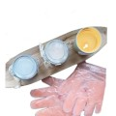 | Parrafin Gloves 1 pair - 0.450 Paraffin Boots 1 pair - 0.450 Foot File 0.05 SEA SALT 1 PKT cost 0.05 VIZO SOAKING = 0.019 * 3 Pcs Honey And Milk Mask For Package (200ML) cost .300 Face And Body Scrub For Package (200ML) = 0.300 | 15 K.D
28 | Paraffin + Manicure kit package | 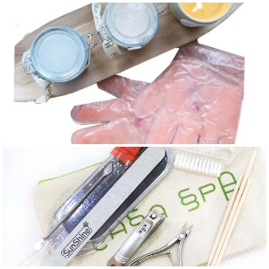 | PARAFFIN Package No.26 Manicure And Pedicure Kit Package No.27 | 30 K.D
29 | Hair Kit | in dashboard | Blow dry brush 25MM cost 4 K.D Blow dry brush 30MM cost 5 K.D Butterfly Hair Clip * 3 cost 0.036 Casa Spa Hair Clips Black * 3 cost 0.150 Tangle Tweezer Brush cost 0.364 (ALL USE ITEM NO RETAIL PRICE) | 15 K.D
30 | Derma Roll Package | in dashboard | ONE OF THOSE ROLLERS Derma Roller 0.50 mm or Derma Roller 0.30 mm or Derma Roller 0.25 mm COST - 0.290 - RETAIL - (use item) ONE OF THOSE OIL Organic Hair Oil for Package cost 1.5 - retail 9K.D TYPES (Casa Spa Organic Hair Strengthening Oil 200ML Casa Spa Organic Hair Loss Oil 200ML Casa Spa Organic Growth Oil 200ML Casa Spa Organic Ice Brew Tan 200ML Casa Spa Organic Sun Kissed Tan 200ML) ONE OF THOSE MASKS Casa Spa Coconut Mask 500ML or Casa Spa Aloevera Mask 500ML Casa Spa Fruity Mask 500ML Casa Spa Argan Mask 500ML Avocado Mask 500ML Casa Spa Garlic Mask 500 ML cost - 1.5K.D RETAIL 12 K.D | 35 K.D
31 | Casa Spa Therapy Body Scrub and Oil | 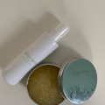 in dashboard | Therapy Oil COST 1 K.D - Therapy Scrub COST 1 K.D | 28 K.D
32 | NATURAL MASK+SCALP FACIAL SCRUB | in dashboard | Artisan Beauty Care Scalp Scrub (100ML) - COST 10 K.D (THIS IS USE ITEM) ONE OF THOSE MASKS Casa Spa Coconut Mask 500ML or Casa Spa Aloevera Mask 500ML Casa Spa Fruity Mask 500ML Casa Spa Argan Mask 500ML Avocado Mask 500ML Casa Spa Garlic Mask 500 ML cost - 1.5K.D RETAIL 12 K.D | 25 KD
33 | SEDER PACKAGE WITH NATURAL MASK 500ml | in dashboard | Sedar Mask - COST (THIS IS USE ITEM) ONE OF THOSE MASKS Casa Spa Coconut Mask 500ML or Casa Spa Aloevera Mask 500ML Casa Spa Fruity Mask 500ML Casa Spa Argan Mask 500ML Avocado Mask 500ML Casa Spa Garlic Mask 500 ML cost - 1.5K.D RETAIL 12 K.D | 25 KD
34 | Moroccan Body Package | in dashboard | Honey And Milk Mask For Package (200ML) cost .300 Face And Body Scrub For Package (200ML) cost 0.300 Hand And Foot Lotion (200ML) cost 0.400 Liffa Gloves cost 0.310 All Use Items | 25 KD
 | WASH ME PACKAGE | 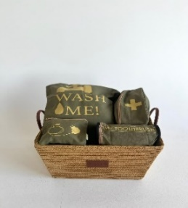 | CHARGER BAG-0.420 KD WASH ME BAG-0.720 KD MEDICAL BAG-0.940 KD TOOTH PASTE BAG-0.580 KD 3 SIZES OF BAGS-2.240 KD GIFT BASKET-1.534 KD | 25 KD | Deleted
 | MAKE UP PACKAGE | 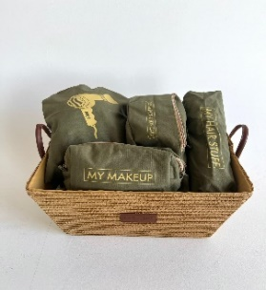 | BLOWDRY BAG-0.570 KD MAKE UP BAG-0.830 KD HAIR STUFF BAG-0.560 KD COSMETIC ,SKIN CARE BAG-0.940 KD MAKEUP BRUSHES KIT BAG-0.690 KD 3 SIZES OF BAG-2.240 KD GIFT BASKET -1.534 KD | 25 KD | Deleted
 | GRADUATED BASKET 2 | 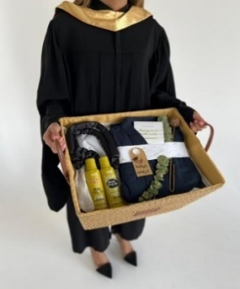 | Kimono Blue For Voucher - 2.710 KD HEATLESS CURLING ROD - 0.630 KD Soul Cachcada Gentle Shampoo - 5 KD Soul Cachada Activator - 15 KD GIFT BASKET - 1.534 KD WRAPPING PAPER - 0.024 KD * 3 pcs HMNT VOUCHER - 20 KD Graduation Logo - 0.500 KD | 48 KD | Deleted

